Checking Process
Quality Control Checking Process

* Save your file before performing quality control procedures. *
General

Formulas
To verify the use of the Round function in formulas - Use (MSO 2010) Formulas Ribbon - Formula Auditing - Show Formulas, and select the formulas check box to display the formulas instead of the results.
To check formula cell references - select a total/subtotal cell then use (MSO 2010) Formulas Ribbon - Formula Auditing - Trace Precedents to graphically display the cells referenced in the formula. Subsequent traces will display referenced cells at the next level.
Checking Formulas
The formula for the amount column is =Round(E6*F6,2) Copy the formula in cells G6 (Amount Column) down the rows to the end of the sheet. Data validation restricts bidders from entering fractions of a cent.
Locked Cells
Select all of the Cells you wish to verify are formatted as Locked except the column with the Unit Prices. Tip: Use column headings to select all columns except the "Unit Price" column which should be the only column with unlocked cells.
With these cells selected use Right Click [Format- Cells- Protection] and verify that the Locked Checkbox is selected with a black arrow. If this checkbox is grayed or has a black box in it then at least one of the selected cells is not locked.

Data Validation on Unit Price Column
Is a process that ensures the delivery of clean and clear data to the Form B:Prices and the bidders using it. It checks for the integrity and validity of data that is being inputted. Formatting to 2 decimals will only change the way the entry in the cell displays. Excel will still calculate formulas based on the actual entry.
Select Data>Data Validation
On the Settings tab we've selected>
> Allow: Decimal (to restrict the cell to accept only decimal numbers)
> Data: equal to
>Value: The Formula below restricts bidders from entering fractions. =IF(F6>=0.01,ROUND(F6,2),0.01) You may need to adjust the formula F6 to F7 depending on your spreadsheet. To accept more than 2 decimal places, change the formula to these values shown in blue.

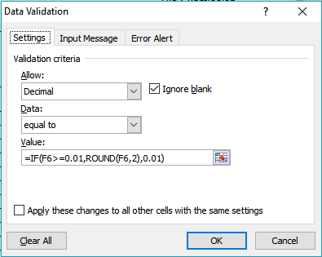

Data Validation Continued

With the confirmed cell selected, to select cells with the same validation setting - Use [Find & Select - Data Validation] - to have Excel automatically select and highlight all of the cells with the same validation settings as the selected cell. Use the scroll bars to view the selected cells and confirm settings are applicable.

Final Checks
Use print preview to review titles, headers and footers, page numbering, pagination, page breaks, etc. Review item numbering for sequencing. Confirm file name meets required format.
As a final check, with the worksheet protected try entering a unit price/lump sum price ( $1 helps confirm the "Amount" column formula is correct) into each and every unlocked cell. Note: if cell locking is correct you will only be able to enter prices in the appropriate unit/lump price cells.

Template
This workbook contains additional spreadsheets, ensure you delete ALL spreadsheets you are not using, except the Form B template you are using.

